Sheet1
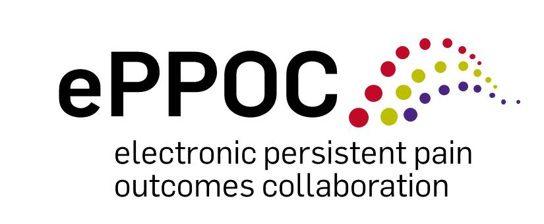

 |  |  |  | Clinical change calculator

Instructions and interpretation:
For each of the assessment tools, enter the patients' first score in Time 1 and second in Time 2.
For the DASS, clinically significant change occurs when the difference between scores at Time 1 and Time 2 is 5 or more, and the patient moves to a different severity level.^{i}
Clinically significant improvement on the BPI worst pain and average pain questions is measured by the percentage change from Time 1 to Time 2, (i.e. Time 1 score minus Time 2 score divided by Time 1 score).
An improvement of 10% or more represents minimally important change, 30% or more reflects moderately important change, and 50% or more represents substantial clinically important change.^{ii}
Clinically significant change on the BPI Interference scale is a change of 1 or more points over the average of the 7 items.^{ii}
For the PSEQ, clinically significant change requires a change of 7 or more points coupled with a move to a different level of impairment. The levels for the PSEQ are:
<20 = severe, 20-30 = moderate, 31-40 = mild, >40 = minimal^{iii}
Severity categories for the PCS are:
<20 = mild, 20-30 = high, >30 = severe
Clinically significant change requires a change in score of 6 or more points, combined with movement to a different severity category.^{iv}
 |  |  |  |  |  | time1-time2 | +severity band change
DASS |  | Score | Severity | Classification of change |  | not able to calculate | 3
Depression | Time 1
 | Time 2 |  |  | - |  | not able to calculate | 3
Anxiety | Time 1
 | Time 2 |  |  | - |  | not able to calculate | 3
Stress | Time 1
 | Time 2 |  |  | -

BPI Severity |  | Score | Severity | % Change | Classification of change
Worst pain | Time 1
 | Time 2 |  |  |  | -
Average Pain | Time 1
 | Time 2 |  |  |  | -

BPI Interference |  | Score | Change | Classification of change
Ave. score | Time 1
 | Time 2 |  |  | - |  | not able to calculate | 3

PSEQ |  | Score | Severity | Classification of change
Total score | Time 1
 | Time 2 |  |  | - |  | time1-time2 | +severity band change
 |  |  |  |  |  | not able to calculate | 3
PCS |  | Score | Severity | Classification of change
Total score | Time 1
 | Time 2 |  |  | -
^{i}Johnson, J. (2014, June 2). ACI Outcomes and Database Working Group. Meeting Minutes. ^{ii}Dworkin, R. H., et al. (2008). "Interpreting the Clinical Importance of Treatment Outcomes in Chronic Pain Clinical Trials: IMMPACT Recommendations." The Journal of Pain 9(2): 105-121. ^{iii}Nicholas , M K (personal communication, July 2014)
^{iv}Sullivan, M J L, (personal communication with Nicholas, M K, July 2014)

